Excel Formulas
Formulas
 |  | Scroll down after selecting item from menu -- desired instructions are at the bottom of the screen
 |  | What is a formula?
 |  | Anatomy of a formula
 |  | Inserting formulas in a worksheet
 |  | Viewing and finding formulas
 |  | Copying, pasting, and dragging formulas
 |  | Relative and absolute cell addresses in formulas
 |  | Names in formulas

 |  | What is a Formula?

Formula | Result | Formulas are commands used to manipulate data in Excel. They are introduced in a cell by using the '=' symbol.
=2+3 | 5 | For example, =2+3 makes Excel add 2 and 3 together, giving us "5" as a result.

 |  | You can use '=' to make Excel calculate the result of most common numerical operations (and some string operations).
 |  | But the true strength of formulas (also called functions) are special commands programmed by Excel. You summon these formulas by calling their name after the '=' sign.
=SUM(2,2,1) | 5 | For example, theSUM function sums up all numbers separated by commas contained in the formula (delimited by parentheses) and returns the result.
 |  | The result of a formula, what the formula returns, might be a number or a string of text or something else entirely.
 |  | For the purposes of this tutorial, 'formulas' will refer to the special commands programmed by Excel.

 |  | Back to Top
 |  | Anatomy of a Formula
 | 1
 | 2 | Formulas follow a specific structure. First, there is the '=' symbol and the name of the function being called.
 | 3 | Next, enclosed in parenthesis, you have the arguments of a formula, separated by commas.
 |  | Some arguments might be optional - when manually entering a formula, optional arguments will be indicated by brackets.
Formula | Result
=SUM(2,3) | 5
=SUM(2,3,1) | 6 | Formulas generally require specific types of argument: numbers, text, cell ranges, boolean values, etc.
=SUM(2,3,"cat") | #VALUE! | For example, the sum formula uses numbers as its arguments, it won't work with text. It makes sense. How would you add up "cat" with 2 and 3?
=SUM(2,B25) | 3 | However, as long as the content of a cell is of the type needed by the argument, formula arguments work with cell addresses. Here, cell B25 contains the number 1, so the formula adds 2 and 1. If the value located at a specified cell address changes, the formula results will automatically update!
=SUM(2,B25:B27) | 8 | As long as all the cells contain the right type of value, cell ranges can also be used in formula arguments. In this example, B25:B27 means "start at B25 and keep going until you reach B27". This means that the formula adds up 2, the contents of B25 (1), the contents of B26 (2), and the contents of B27 (3).
 |  | If cells in the cell range contain data of a different type from what is accepted by the argument, the formula will either ignore the incorrect input or fail.

Formula | Result
=LEFT("Excel is fun") | E | Theleft function has two arguments. First, it requires some sort of text. In Excel formulas, text (also called strings) are enclosed in quotation marks. The second argument is optional. We provide the number of characters to extract in the string, starting from the left. If we don't specify a number of characters, "1" is chosen by default. This formula returns text. In the example, the letter in position 1 is extracted from "Excel is fun": "E".
=LEFT("Excel is fun",5) | Excel | By supplying the optional argument, we tell Excel to return the first five letters in "Excel is fun", starting from the left.
=LEFT("Excel is fun",2+3) | Excel | Excel is perfectly happy with performing a mathematical operation in an argument and using its result.
=LEFT("Excel is fun",sum(2,3)) | Excel | As long as it returns a value of the right type, a formula can be used as the argument of another formula. For example, here we are using the string "Excel is fun" as our first argument. The next argument must be the number of characters we want to extract from the string. Instead of a number, we use sum(2,3) to add together 2 and 3. That formula returns the number 5, which is then used to specify the number of characters to return in the left formula.
=LEFT("Wow"&A37,sum(B25:B27)+1) | WowForm | With arguments being able to contain cell addresses, cell ranges, mathematical operations, and other nested formulas, complexity quickly rises. It may be easiest to understand complex formulas by separately evaluating each argument - so remember to look for the commas. You could also try creating the simplest version of a formula before modifying its arguments for the desired effect.

 |  | Back to Top
 |  | Inserting Formulas in a worksheet

 | Select a cell. Write = | Allows you to manually input a formula in Excel - Excel will try to guess the name of the formula as you type it. It will give a brief reminder of what should be inputted for each argument of the function. Optional arguments are given in brackets. Instead of manually typing in a cell address, you can select the desired cell or cells. Use quotation marks to enter text as an argument.
 |  | While actively manually typing in a formula, Excel will color code cell addresses in your formula, and will correspondingly color the cells at the specified addresses.
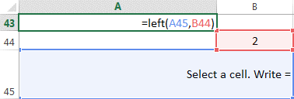

Select a cell. Write '= |  | Creates a formula without activating it, displays a formula without activating it. You won't get contextual help with building the formula, but you won't have to deal with error messages. When finished, remove the apostrophe to activate the formula.
Select a cell. Formulas - Function Library |  | Click on "Insert Function" to use a wizard to enter a formula. You can click on the arrows to select cells instead of manually inputting cell addresses. If you don't know what formula might fit your needs, you can also use Insert Function to search the formula library.
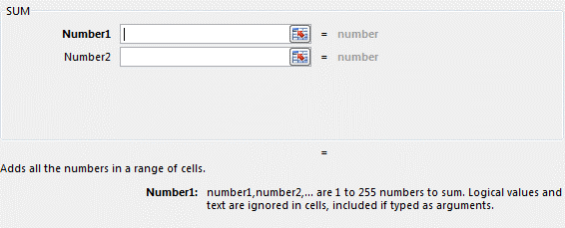
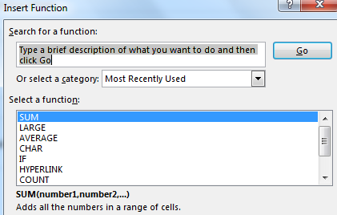

 |  | Back to Top
 |  | Viewing and Finding Formulas

 | Double-clicking on a cell containing a formula | Enables you to edit the formula. Will activate matching colors for the cell addresses and the concerned cells if the formula has references (addresses) to cells.

 | Formulas - Formula Auditing | Select the cell containing a formula you would like to trace, and click on "Trace Precedents" or "Trace Dependents" to view locations of cells involved in a formula, as well as cells belonging to formulas nested inside other formulas. Click on "Remove Arrows" to clear this view.

 | Formulas - Formula Auditing | Click on "Show Formulas" to toggle from viewing results of formulas, to viewing the formula itself in all cells of the worksheet. WARNING: this might have an irreversible impact on the formatting of your worksheet.

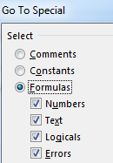
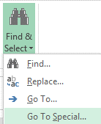
 | Click on a cell - F5 | Click on "Special" and select "formulas" to temporarily select all cells containing formulas in your worksheet. You can hit "enter" to navigate from cell to cell, format all cells that have formulas, etc.
 | or
 | Home - Editing

 |  | Back to Top
 |  | Copying, Pasting, and Dragging Formulas

 | About copy-pasted formulas | When copy-pasting a formula that contains cell addresses, the formula will automatically change references to rows for each row where it is pasted, and will change references to columns for each columns where it is pasted.
1 | =A108 | For example, copying the formula in cell B108 (=A108) into the cells below will make the formula automatically jump rows: =A109 for B109, and =A110 for B110
2 | =A109
3 | =A110

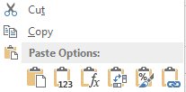
 | Ctrl-C and Ctrl-V | Keyboard shortcuts for copy-pasting. Works with formulas.
 | Right click on cell - Copy or Paste | Copy-pasting. Works with formulas. The paste menu will have a few options - choose carefully.

 | Dragging the fill handle | Select a cell and drag the fill handle to copy-paste. Works with formulas.
 | Double-clicking on the fill handle | If working with a range of formulas, such as a table, double-clicking on the fill handle will fill out the rest of the row or column with the formula.

 | To transform formulas back into values | Select the formula or formulas. Copy using your favorite method. While the selection is still active, paste in place by selecting "paste as values". If using Ctrl-V to paste, you will temporarily be able to select "paste as values" from a tiny pop-up menu. Your formulas are gone, replaced by values.
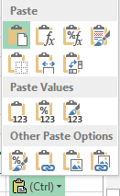

 |  | Back to Top
 |  | Relative and Absolute Cell Addresses or references in Formulas

 | Cat | Relative cell addresses/references: when copy-pasting a formula that contains cell addresses, the formula will automatically change (increment or decrement) references to rows for each row where it is pasted, and will change (increment or decrement) references to columns for each columns where it is pasted. This is not always desired behavior and can be especially problematic in formulas that require a constant or have ranges, rows, or arrays as arguments.
 | 1 | In a cell address, the $ symbol before a column and/or before a row tells Excel that when the formula is copy-pasted in a different location, it must not adjust the formula for the number of columns or rows that it has been moved. This is known as an absolute address/reference. When manually typing in a formula in Windows, you can hit F4 (if available on your keyboard) on a cell address to toggle between row absolute reference, column absolute reference, row and column absolute reference, or relative references.
 | 2 | For example, let's pretend we want to gradually expand the number of characters revealed in the word "Cat" in B139 by using the numbers supplied in B140 to B142.
 | 3
Copy-Pasted Formula - Relative | Result | If we write our formula normally and copy-paste it, the location of the text (the first argument in the left function) moves down a row every time - not the behavior we wanted. Try double-clicking on B144, B145, and B146 to see what happened to the formula.
=LEFT(B139,B140) | C
=LEFT(B140,B141) | 1
=LEFT(B141,B142) | 2
Copy-Pasted Formula - Absolute | Result | If instead we use the "$" symbol before the column and row of the location of the text, the formula will correctly refer to B139 for the text argument even when copy-pasted. Try clicking on B148, B149 and B150 to see what happened to the formula.
=LEFT($B$139,B140) | C
=LEFT($B$139,B141) | Ca
=LEFT($B$139,B142) | Cat

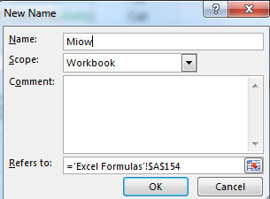
 |  | Back to Top
 |  | Names in Formulas

 |  | You can assign nicknames to cells, and use these nicknames instead of the cell addresses in formulas.
 | Right Click - Define Name
 | or
 | Formulas - Defined Names
 | or
 | Click on a cell - Rename in box besides formula bar

My name is Miow |  | For example, we've assigned the name "Miow" to cell A163.

Formula | Result
LEFT(A163,8) | My name | The formula works whether we use the cell address or our nickname for the cell.
LEFT(Miow,8) | My name

